Caracterizacion
 |  |  | Process name |  | AI Powered Application Modernization Advisory |  | Rol responsable del proceso |  | Domian Lead
 |  |  |  |  |  |  | Código del proceso |  | xx
 |  |  |  |  |  |  | Versión |  | 2
Objective |  |  |  |  |  | Alcance
The service performs an assessment of the client’s legacy applications to evaluate their current state and define a modernization roadmap powered by AI agents, aligning technical decisions with business objectives and cloud capabilities. It also incorporates an infrastructure assessment that can be executed together with the Cloud Services team, enabling the use of hyperscaler funding programs and strategic guidelines to optimize investment and accelerate adoption. |  |  |  |  |  | Modernization of legacy applications Enterprise digital transformation Cloud migration and adoption Cost optimization and operational efficiency Innovation and enablement with AI Access to hyperscaler funding programs Reduction of technical debt Rapid scaling of digital products Regulated industries requiring secure modernization and compliance

Scope |  |  | PoV: Rapid validation to demonstrate value before scaling. ROI: Expected return on investment. TCO: Total cost of a solution throughout its lifecycle. Hyperscaler: Leading large-scale cloud service provider (AWS, Azure, GCP). Technical Debt: System limitations caused by past decisions. Refactoring: Continuous code improvement process that optimizes structure, readability, and maintainability, reduces technical debt, and enables future evolutions without modifying existing functionality. Replatforming: Migration with minimal adjustments for cloud. Rehosting: Lift-and-shift migration to the cloud without changes. Re-architecture: Redesign to improve scalability and performance. Containerization: Use of containers to enable application portability. Microservices: Applications divided into independent services. API-first: Design approach that prioritizes API-based integrations. DevSecOps: Integration of development, security, and operations. CI/CD: Continuous integration and continuous deployment automation. Observability: Monitoring of the application's state and performance. Cloud Readiness: Level of preparedness to migrate to the cloud. Landing Zone: Secure foundation for deploying cloud solutions. AI-First: Strategy that prioritizes artificial intelligence as the core of solution and process design. AI-Driven: Approach in which AI guides decision-making and process automation. Resilience: Ability of a system to maintain operation and recover from failures or interruptions. Software Health: Degree of quality, stability, and maintainability of an application over time. Cloud Readiness: Degree to which an application or infrastructure is prepared to migrate, modernize, or operate efficiently in the cloud.

Policies |  |  | The deal review must be approved by the Domain Lead (Javier Vargas). In the proposal/SOW, applications must be sized according to their complexity and using the official estimation tool format. Develop the business case jointly with the Cloud & App Services team. Define the cloud architecture in collaboration with the Apps & Cloud team. Align recommendations with hyperscaler funding guidelines and programs (when applicable). Validate the modernization and migration strategy with the client’s business and technology stakeholders. Develop the business case and size the Delivery project during this activity (Application Modernization Delivery – AMD).

Indicators |  |  | Proceso nuevo, se definiera el indicador en un plazo de 6 meses (Javier & Natalia)

Tools |  |  | GitHub Copilot Prompt Management Neo4J AWS funding program tools Azure funding program tools GCP funding program tools

Roles |  |  | Sr Expert Technology Implementation & Consulting Project Manager Senior Solutions Architect

Inputs |  |  | Supplier Process |  |  | Outputs |  |  | Client Process
AIPAM-AD-ApplicationModernizationApproach.Template.docx |  |  | Commercial |  |  | AIPAM-AD-RefactoringProfiles.Template.xlsx AIPAM-AD-DevOps.Template.docx AIPAM-AD-ApplicationModernization.PoC.docx Business_Case.xlsm AIPAM-AD-ApplicationModernization.Migration&ModernizationStrategy.Template.pptx AIPAM-AD-ApplicationModernizationPlan.Template.pptx AIPAM-AD-ApplicationModernization.ClosePresentation.Template.pptx |  |  | Application Modernization Delivery (AMD) Fabrica de Software Managed Service Solution Development Advisory Solution Development Delivery
Process Flow
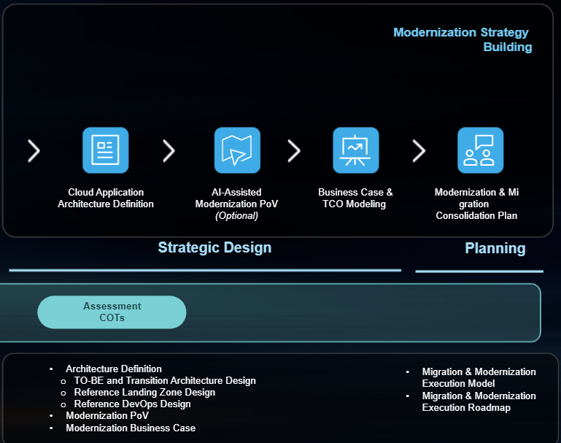

Characterization
# | Activity |  |  | Description |  | Role Responsible for the Activity | Input | Output | Associated Guides
3 | Strategic Design |  |  | AI-leveraged definition of a clear modernization path, aligning technology initiatives with business priorities through target cloud-native architecture design, business case development, and TCO estimation |  | Sr Expert Technology Implementation & Consulting | AIPAM-AD-ApplicationModernizationApproach.Template.docx | Architecture Design and Business case
3.1 | AI-Guided Cloud Architecture Definition​ |  |  | In this service module, the team will design the target cloud architecture, estimate cloud costs, and align both Landing Zone and DevOps strategies to ensure scalability, security, and operational efficiency throughout the modernization journey. |  | Sr Expert Technology Implementation & Consulting | AIPAM-AD-ApplicationModernizationApproach.Template.docx | Architecture Design
3.1.2 | Cloud Architecture Design |  |  | Prepare an infrastructure diagram using reference architectures. Prepare a data flow diagram. Prepare observability and monitoring design. Present architecture definition results. |  | Sr Expert Technology Implementation & Consulting | AIPAM-AD-ApplicationModernizationApproach.Template.docx | Reference Architecture
3.1.4 | Landing Zone Strategy Alignment |  |  | Alignment of the target architecture with the Landing Zone strategy, designed by the Cloud Services team, to ensure scalability, security, and operational efficiency throughout the modernization process |  | Sr Expert Technology Implementation & Consulting | Infrastructure strategy (Cloud Services Team) | Infrastructure strategy (Cloud Services Team)
3.1.5 | Create DevOps Strategy |  |  | Design of an automation plan, tool selection, and CI practices to accelerate time to market and improve software quality. |  | Sr Expert Technology Implementation & Consulting | AIPAM-AD-DevOpsDiagnosticCheckList.Template.xlsx | AIPAM-AD-DevOps.Template.docx
3.2 | Modernization PoV AI-Assisted (Optional) |  |  | In this service module, we plan and execute AI-assisted PoV to early-validate the modernization strategy defined in the advisory, demonstrating benefits, scalability, and reliability, validating technical fit and operational readiness, and providing actionable recommendations for broader deployment. |  | Sr Expert Technology Implementation & Consulting | AIPAM-AD-ApplicationModernizationApproach.Template.docx | PoV to validate the modernization Strategy (R)
3.2.1 | Define the PoV plan. |  |  | Establish objectives, timeline, and scope for the selected application to validate modernization strategy early. |  | Sr Expert Technology Implementation & Consulting | Modernization path selected for the client by application | AIPAM-AD-ApplicationModernization.PoC.docx
3.3 | Business Case​ & TCO Modeling |  |  | In this service module, the team will forecast the business case and define the application modernization plan, presenting it to stakeholders for validation and alignment. |  | Sr Expert Technology Implementation & Consulting | AIPAM-AD-ApplicationModernizationApproach.Template.docx | Business_Case.xlsm
3.3.1 | Business Case Workshop |  |  | Validate if the initial onboarding covered business case inputs; if not, conduct a session with the client to gather operational cost, infrastructure, and other required data. |  | Sr Expert Technology Implementation & Consulting | AM-AD-Prerequirements.Business_Case.Questions_ES.xlsm | Business_Case.xlsm
3.3.2 | Estimate Cloud Cost |  |  | Projection of consumption and maintenance costs under the target cloud architecture (staging, development, and production). |  | Sr Expert Technology Implementation & Consulting | AWS Pricing Calculator | AWS Pricing Calculator
 |  |  |  |  |  | Sr Expert Technology Implementation & Consulting | Pricing Calculator | Microsoft Azure | Pricing Calculator | Microsoft Azure
 |  |  |  |  |  | Sr Expert Technology Implementation & Consulting | Google Cloud Pricing Calculator | Google Cloud Pricing Calculator
3.3.3 | Business Case Estimation |  |  | Consolidation of financial metrics such as ROI and TCO to compare current costs vs. expected benefits. |  | Sr Expert Technology Implementation & Consulting | Reference Architecture | Business_Case.xlsm
4 | Plan |  |  | AI-accelerated consolidation of the modernization and migration strategies, delivering a unified implementation roadmap, effort sizing, and final executive validation |  | Sr Expert Technology Implementation & Consulting | Business_Case.xlsm | AIPAM-AD-ApplicationModernization.ClosePresentation.Template.pptx
4.1 | Migration & Modernization Consolidation Plan |  |  | In this service module, we will consolidate the modernization strategy using the 7Rs framework, define the target cloud architecture, and align the infrastructure assessment (if included in the proposal) with the recommended migration strategy provided by the cloud service team. We will then formally present the roadmap to stakeholders and confirm the optimal approach. |  | Sr Expert Technology Implementation & Consulting | AIPAM-AD-ApplicationModernizationApproach.Template.docx | AIPAM-AD-ApplicationModernization.ClosePresentation.Template.pptx
4.1.1 | Compilation of migration and modernization strategies |  |  | Work jointly with the Cloud Services team to unify modernization and migration strategies. |  | Sr Expert Technology Implementation & Consulting | AIPAM-AD-ApplicationModernizationApproach.Template.docx | AIPAM-AD-ApplicationModernization.Migration&ModernizationStrategy.Template.pptx
4.1.2 | Compilation of business cases |  |  | Work jointly with the Cloud Services team to consolidate all modernization and migration business cases. |  | Sr Expert Technology Implementation & Consulting | Business_Case_Master.xlsm | AIPAM-AD-ApplicationModernizationPlan.Template.pptx
4.1.6 | Sizing of the effort and projected duration |  |  | Estimation of total effort and time required for complete application transition to target environment. |  | Sr Expert Technology Implementation & Consulting | Estimation Tool AMD | Estimation Tool AMD | Application Services Americas Hub - App Services Portfolio - Estimation Tool - All Documents
4.1.7 | Close Presentation |  |  | Executive session to present final results, consolidated plan, and validate the final approach with stakeholders. |  | Project Manager | AIPAM-AD-ApplicationModernizationPlan.Template.pptx | AIPAM-AD-ApplicationModernization.ClosePresentation.Template.pptx
Assets, Resources, and Records Control
Type |  | Code | Assets and/or Resources |  |  |  | Asset or Resource Location
Activo |  |  | Tooling |  |  |  | AIPAM-AD-ModernizationAdvisory.Tooling
Activo |  |  | WBS |  |  |  | AIPAM-AD-ModernizationAdvisory.WBS
Activo |  |  | Customer Deck |  |  |  | AIPAM-AD-ModernizationAdvisory.CustomerDeck
Activo |  |  | R.A.C.I. |  |  |  | AIPAM-AD-ModernizationAdvisory.RACI.xlsx
Activo |  |  | SOW |  |  |  | AIPAM-AD-ModernizationAdvisory.SOW_ES.docx
Activo |  |  | Proposal |  |  |  | AIPAM-AD-ModernizationAdvisory.Proposal_ES.docx
Activo |  |  | Estimation Tool |  |  |  | AIPAM-AD-ModernizationAdvisory.EstimationTool.EN.v1.2.xlsx

GAP.F-01 / v 8.0 / Octubre 17, 2025
Documento Privado

